Sheet2
row 49

row 66
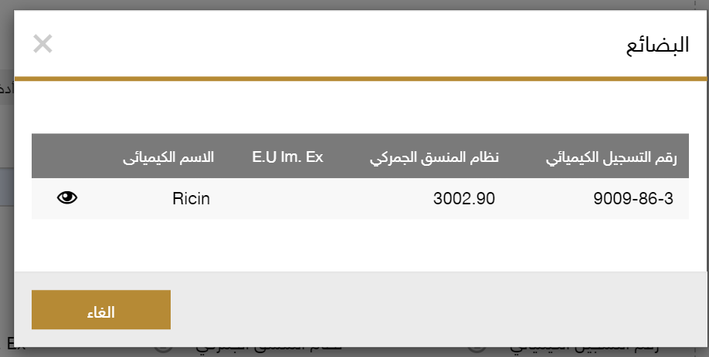

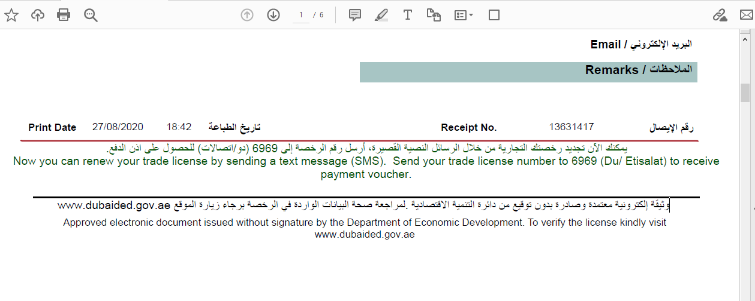

row 71
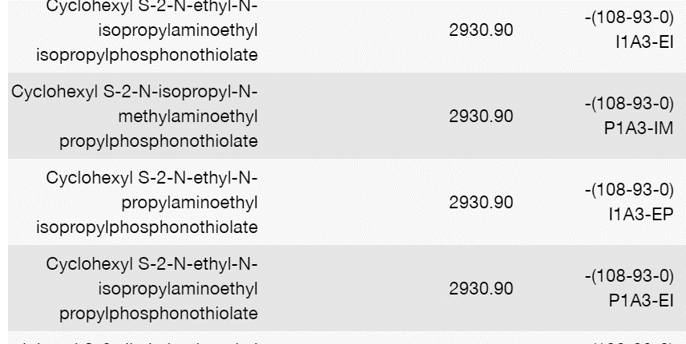

 |  | row 58

row 73
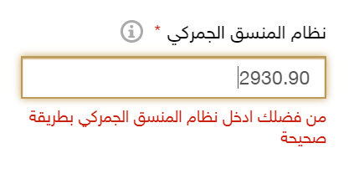

row 74

row 78
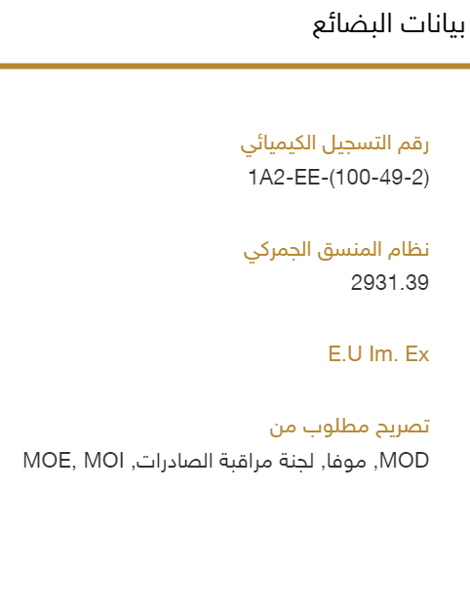

row 91
 | Order
Synonym Name
Chemical Name | 3
Use Of Good
Invoice No --- To be placed Above the table Once
Quantity - Quantity Unit on the Same Cell | 5
Goods Value - Currency on the Same Cell | 6
E.U Im. Ex. 11111
HS Code | 1
CAS Number ( Not Available in Strategic ) | 2
Physical State
Technical Description ( Exist in strategic Only ) | 4
Country Of Origin | 4

